Table 1
Client |  | Transport for New South Wales |  |  |  |  |  |  | INSPECTION AND TEST PLAN FOR: Geotextiles |  |  |  |  |  | Work Area:
Contract No.#
Contract |  |  |  |  |  |  |  |  |  |  |  |  |  |  | Inspection and Test Plan Number / Lot No:
Workplace Name |  | A183 - New Dubbo Bridge |  |  |  |  |  |  |  |  |  |  |  |  | ITC-15 R63 Geotextiles

Legend: |  |  | W = Witness |  |  |  | H = Hold |  |  | S = Surveillance |  |  | ACPL = Abergeldie |  |  |  |  |  |  |  |  |  | S/C = Subcontractor
Activity No.# | Description |  |  | Document Reference / Applicable Standard |  | Acceptance Criteria |  |  |  |  |  |  |  |  |  |  |  |  | Frequency/ Process Held | Inspection – Sign & Date |  |  | Verifying Records
 |  |  |  |  |  |  |  |  |  |  |  |  |  |  |  |  |  |  |  | S/C | ACPL | Client
1. Material Requirements
1.1 | General Material Requirements |  |  | R63 Cl 2.1 |  | The fibres of the geotextile and thread used in joining lengths must consist of long chain synthetic polymers composed of at least 95% by mass of polyolefins or polyesters. Geotextiles must be free of any flaws which may have an adverse effect on the physical and mechanical properties of the geotextile. Geotextiles may be manufactured under controlled conditions from recycled materials. Geotextiles manufactured from recycled materials must conform to the requirements of this Specification, be identified as such on the Certificate of Compliance |  |  |  |  |  |  |  |  |  |  |  |  | Once / Prior to procurement |  | S | S | Material Data Sheet
1.2 | Strength and Filtration Class Requirements |  |  | R63 Cl 2.2 |  | 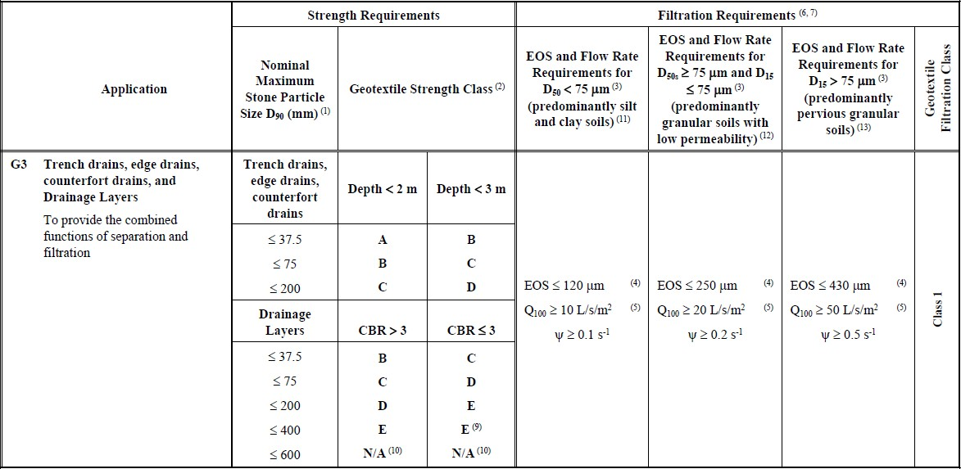 Geotextiles for the applications of separation and/or filtration must meet the relevant Strength Class requirements of Table R63/E.2 to ensure survivability. Geotextiles must meet the relevant filtration requirements of Table R63/E.1 for each application. |  |  |  |  |  |  |  |  |  |  |  |  | Once / Prior to procurement |  | S | S | Material Data Sheet

2. Site Sampling and Testing
2.1 | Certificate of Compliance |  |  | R63 Cl 2.5 |  | Provide a Certificate of Compliance that the geotextile complies with all the requirements of this specification for its specified usage together with tests results reported on NATA endorsed test documents. The certificate must not be more than twelve months old. |  |  |  |  |  |  |  |  |  |  |  |  | Once / Prior to delivery of geotextiles |  | H | H | Certificate of Compliance
2.2 | Site Sampling and Testing |  |  | R63 Cl 2.4 |  | Location, date and time of sampling and person sampling to be witnessed by the client. Frequency of sampling and testing must be in accordance with Table R63.1. A representative sample, covering approximately 15 m2 of geotextile (e.g. 3 m by 5 m), is cut from each sampled roll but not within 2 m of the start or end of the roll. Where directed, provide samples to the principal. Clearly mark, for example by means of a large arrow, the longitudinal direction of the geotextile on each sample. Test the geotextile samples at an approved NATA registered laboratory accredited for the range of tests given in Table R63/E.1 and Table R63/E.2. |  |  |  |  |  |  |  |  |  |  |  |  | As specified / Prior to Lot Closure |  | W | W | Test Results
2.3 | Sampling Test Results Submission |  |  | R63 Cl 4.1 |  | Site sampling test results referred to in Clause 2.4 at least 14 days prior to placement of geotextile. |  |  |  |  |  |  |  |  |  |  |  |  | Once / 14 days prior to placement of geotextile |  | H | H | Test Results
3. Storage, Identification and Delivery
3.1 | Storage, Packing, Identification and Delivery |  |  | R63 Cl 3 |  | Geotextiles must be stored under protective cover or wrapped with a waterproof, opaque UV protective sheeting to avoid any damage prior to installation. Geotextiles must not be stored directly on the ground or in any way they may be affected adversely by heat, dirt or damage. The protected geotextile rolls must be clearly labelled showing manufacturer, type of geotextile and batch number identification number. Geotextile must be delivered to the site at least 14 days prior to commencement of installation. |  |  |  |  |  |  |  |  |  |  |  |  | Delivery to site |  | S | S | Visual Inspection
4. Construction
2.2 | Placement |  |  | R63 Cl 4.3 R63 Cl 4.5 R63 Cl 4.6.3 |  | Cover the placed geotextile with either the fill material or a suitable protective sheeting within 48 hours of being placed. Unless specified otherwise on the Drawings, the overlap must be 500 mm or greater where large ground deformations are expected. Provide in your PROJECT QUALITY PLAN how you would ensure that your construction process and compaction method does not damage the geotextile. The principal may require a site trial to evaluate your construction process and compaction method. |  |  |  |  |  |  |  |  |  |  |  |  | Once / Prior to Placement |  | S | S | Project Quality Plan
REVIEW BY PROJECT MANAGER
Any non-conformances? |  |  |  |  | YES | NO |  | Nos: |  |  |  |  |  | Closed Out |  |  | YES | NO
All work has been satisfactorily completed. |  |  |  |  |  |  | YES |  |  |  |  | NO
Name |  |  |  |  |  |  |  |  |  |  | Signature |  |  |  |  | Date

